VisualGuide
Guide: Property 1 | Guide: Property 2 | Guide: Property 3 |  | Guide: Property 4
How to check for Stationarity | How to check for White Noise | How to check for Gaussian White Noise |  | How to check for Strict White Noise
How to make Transformations

Conditions | Conditions | Conditions |  | Conditions
Mean = constant | Stationarity | White Noise |  | White Noise
Variance = constant | ACF = 0 (no lags outside) | Marginal Normal Distribution |  | iid = identically and independently distributed
 | PACF = 0 (no lags outside) |  |  | *NOTE: GWN implies iid
 |  |  |  | IF GWN is confirmed, SWN is confirmed
Tests | Tests | Tests
Visual Inspection: | Visual Inspection: | Visual Inspection: |  | IF GWN is NOT confirmed, SWN requires the inspection of y^2
Mean and Var look stationary | Mean and var look stationary | Histogram |  | Check whether y^2 is White Noise, which means quadratically independent
ACF has fast decreasing lags | No significant lags outside ACF/PACF | Real vs Theoretical Normal Distribution |  | If y^2 IS NOT white noise, then the series IS NOT SWN
 |  |  |  | If y^2 IS WHITE NOISE, then WE DON'T KNOW if the series is SWN, because that only confirms
Fast decreasing ACF Example: | Visual White Noise Example: | Visual Normality Inspection Example: |  | Tests
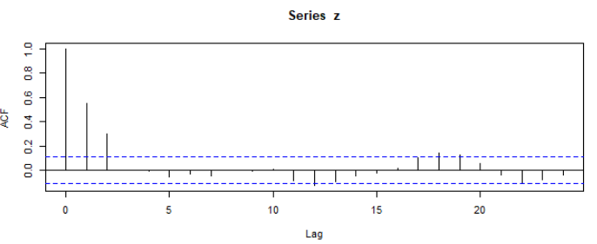
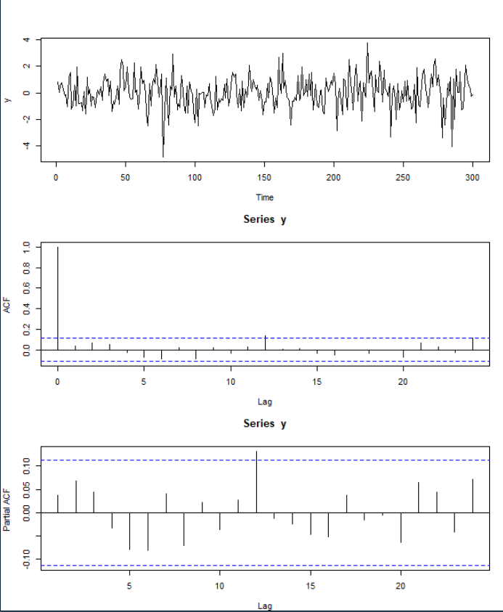
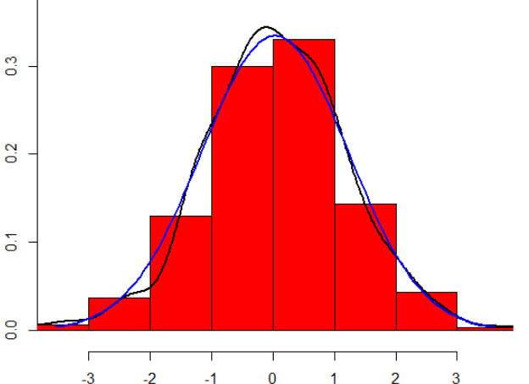
 |  |  |  | Statistical Inspection:
 |  |  |  | Box test (such as Ljung-Box test)
 |  |  |  | H0: Data is not correlated
 |  |  |  | H1: Data is correlated

 |  |  |  | Statistical Inspection Example:
Slow decreasing ACF Example:
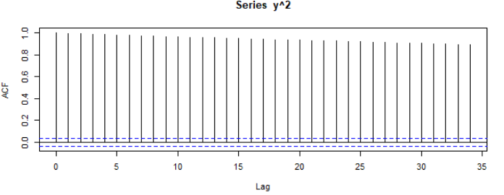

 |  | *Notes: | CASE 1: | If H1 is accepted (Data is correlated), then there is no SWN
 |  | Blue line = theoretical Norm Dist
Statistical Inspection: |  | Black line = real distribution of sample | CASE 2: | If H0 is accepted (Data is not correlated), we say it is
Dickey-Fuller test (ndiffs): |  |  |  | quadratically independent (y^2 = independent), but it is not enough
ndiffs(y, alpha=0.05, test=c("adf)) |  |  |  | for us to be certain it is SWN, so the answer is We don''t know.
 |  |  |  | In order to know we would have to check independence for
If the Dickey-Fuller test = 0: Data is stationary |  |  |  | y^3, y^4, y^5, etc...
If the Dickey-Fuller test != 0: Data is nonstationary | Statistical Inspection: | Statistical Inspection:
 | Box test (such as Ljung-Box test) | Shapiro-Wilk test
IF data is NOT stationary, it requires | H0: Data is not correlated | H0: Data is normally distributed
TRANSFORMATION | H1: Data is correlated | H1: Data is NOT normally distributed

The ndiffs function also tells you how many | Statistical White Noise Inspection Example: | Statistical Normality Inspection Example:
transformations are needed to
achieve stationarity

z <- diff(y) <---- this is one transformation
z <- diff(diff(y)) <--this is two transformations
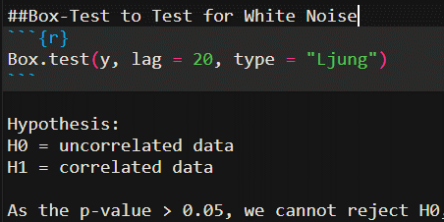
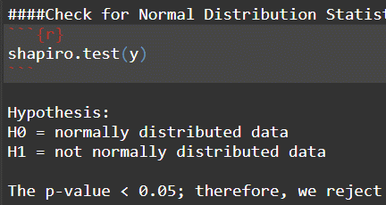
Example

The first ndiffs is 1 because y requires
1 transformation for stationarity.
The second ndiffs is 0 because z
already holds the transformed variable

Use the transformed model Z to find all the properties:
Stationarity (Guide 1)
Normality (Guide 3)
White Noise (Guide 2)
Gaussian White Noise (Guide 3)
Strict White Noise (Guide 4)
Linear Model (Guide 5)
Nonlinear Model (Guide 5)

